Sheet1
MIC5209-ADJ Calculator

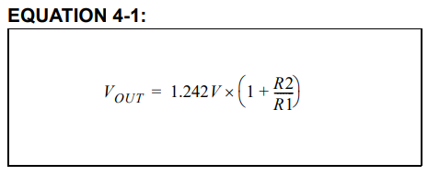
 | Value |  |  | Note |  | Caution
 | Ref | 1.242 | Volt | Fixed Value |  | - Don't change Ref cell. It is reference constant value of MIC5209-ADJ what microchip does provide - Change only R1 and R2 for output voltage what you want - Do not exceed 470Kohm of R2 resitance value - Less than 1% error resistor recommended
 | R1 | 5.9 | Kohm | Use Kohms
 | R2 | 18 | Kohm
 | Output Voltage |  |  | Note
 | 5.0311525424 |  | Volt | Ideal

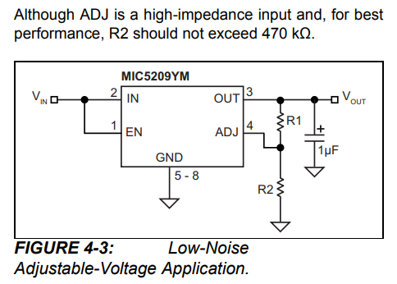
 | R1 min | R1 max | R2 min | R2 max | Note
 | 5.841 | 5.959 | 17.82 | 18.18 | Kohm

 | Output Voltage |  |  |  | Note
 | All min |  | 5.0311525424
 | All max |  | 5.0311525424
 | R1 min R2 max |  | 5.1077010786
 | R1 max R2 min |  | 4.9561198188
 | Ideal |  | 5.0311525424

